ADD
ID | Description | Type | PreCondition | Steps | Priorty | Severity | Created by | Assigned to | Expected Result | Actual Result | Attachment | Date | TC Related | Status
BUG-ADD-001 | the Home page will be refreshed and a message appears "Error: Content is empty" when user try to add empty article | Functional | 1-user should have a browser to navigate to signup page. 2-User should have xampp and it's control panel 3- user should have the database on the phpmyadmin (reach it through xampp control panel) 4- open the apache server and sql server 5- user should login using his valid account | 1- User click on Text Input Field Labelled by “What do you want to share? 2-He chooses technology category and clicks on Article button. 3- he writes nothing in the text input field and click on the add button. | Low | minior | Mazrouaa | Mazrouaa | 1- a pop up window will show up where he will find drop down list (to choose the category) , Article button and Upload button. 2-a Text input Field and add button will appear. 3-the Home page will be refreshed and a message appears "Error: Content is empty". | 1- a pop up window will show up where he will find drop down list (to choose the category) , Article button and Upload button. 2-a Text input Field and add button will appear. 3-the Home page disappeared and a message appears "Error: Content is empty". | 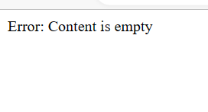 | 2023-05-21 | TC_LearningHub_Add_016 | Assigned

